Bug Report
Bug summary: | "Log in with Facebook" option on the "Humanity" login page does not work.
Description: | When the user opens the following link: "https://www.humanity.com" and clicks on the "LOGIN" button in the top right corner of the "Humanity" "Start my free tiral" page, they are redirected to Login page of the "Humanity" website. If the user leaves the "Email/Username" and "Password" fields blank and proceeds to the "Log in with Facebook" button and clicks on it, they are redirected to the "Log Into Facebook" page. When the user enters the correct email and password in the "Email or Phone Number" and "Password" fields and clicks on the "Log In" button, they are redirected to a page showing the following error message: "Feature Unavailable. Facebook Login is currently unavailable for this app."
Steps to reproduce: | Open Google Chrome browser, version 96.0.4664.93 (Official Build) (64-bit)
 | Go to the following URL "https://www.humanity.com"
 | Click on the "LOGIN" button in the top right corner of the "Humanity" "Start my free trial" page.
 | Leave the "Email/Username" and "Password" fields blank.
 | Click on the "Log in with Facebook" button.
 | Enter the correct email address and password for the Facebook account on the "Log Into Facebook" page.
 | Click on the "Log In" button.

Expected result: | The user is logged in and redirected to the "Humanity" homepage.
Actual result: | The user is redirected to a page showing the following error message: "Feature Unavailable. Facebook Login is currently unavailable for this app."
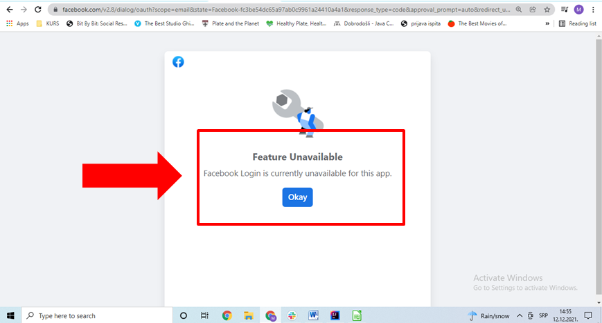
Screenshot:

